input_output_intervals
compositions of the input should be as followed
components compostion
glu, prot 0.2, 0.8
so cool ideas
1) error mesaging while reading the excel
2° could keep the interval names (in the code) as capital letters -> no replace conflicts no more
3° write ALL eqation to the objects, read the equations there in stead of making it messy which blocks
layer | process_intervals | lower_bound | upper_bound | input_price | output_price | components | composition
1 | carbon_input1 | 500 | 1000 | 0.57 | 0 | glu | 1
1 | carbon_input2 | 500 | 1000 | 0.39 | 0 | fru | 1
1 | carbon_input3 | 500 | 1000 | 0.35 | 0 | glycerol | 1
7 | acetate | 0 | None | 0 | 1.15 | ace | 0
7 | propionate | 0 | None | 0 | 1.26 | prop | 0

price glucose : 0.57 €/kg
price fructose: 0.39 €/kg
price acetate: 1.15 euro/kg
price propionate: 1.26 euro/kg

process_intervals
not sure about this one, I'll put in on the TODO see list: addapt the mu_ut to account for the recyle of Hoc
think carefully about the seperation of membranes:
mayby I can make another variable callg waste where stream can go into...
yes I think this is a good idea
process_intervals | layer | interval_bounds | inputs | units | input_bounds | ut_chemical | mu_ut | unit | outputs | units | operational_variables | operation_bounds | COPY operation_bounds | units operatioal vars | energy_consumption | unit | reaction_model | seperation_coef | split_fraction | stream_reuse | waste_fraction
P_acidi | 2 | [0,10e6] | glu, fru, glycerol | kg/h | 0 | 0 | 0 | kgH2O/kgFeed | ace, prop, water, bm | kg/h | 0 | 0 | 0 | 0 | 0.0005 | kWh/kg | PAC.json | [0.95, 0.95, 0.95, 0] ; [0.05, 0.05, 0.05, 1] | 0 | 0 | [0.01, 0.01, 0.5, 1]
P_freu | 2 | [0,10e6] | glu, fru | kg/h | 0 | 0 | 0 | kgH2O/kgFeed | ace, prop, water, bm | kg/h | 0 | 0 | 0 | 0 | 0.0005 | kWh/kg | sherm.json | [0.95, 0.95, 0.95, 0] ; [0.05, 0.05, 0.05, 1] | 0 | 0 | [0.01, 0.01, 0.5, 1]
P_avi | 2 | [0,10e6] | glu, fru, glycerol | kg/h | 0 | 0 | 0 | kgH2O/kgFeed | ace, prop, water, bm | kg/h | 0 | 0 | 0 | 0 | 0.0005 | kWh/kg | avidum.json | [0.95, 0.95, 0.95, 0] ; [0.05, 0.05, 0.05, 1] | 0 | 0 | [0.01, 0.01, 0.5, 1]
P_acn | 2 | [0,10e6] | glu, fru, glycerol | kg/h | 0 | 0 | 0 | kgH2O/kgFeed | ace, prop, water, bm | kg/h | 0 | 0 | 0 | 0 | 0.0005 | kWh/kg | acnes.json | [0.95, 0.95, 0.95, 0] ; [0.05, 0.05, 0.05, 1] | 0 | 0 | [0.01, 0.01, 0.5, 1]
P_pro | 2 | [0,10e6] | glu, fru, glycerol | kg/h | 0 | 0 | 0 | kgH2O/kgFeed | ace, prop, water, bm | kg/h | 0 | 0 | 0 | 0 | 0.0005 | kWh/kg | propionicum.json | [0.95, 0.95, 0.95, 0] ; [0.05, 0.05, 0.05, 1] | 0 | 0 | [0.01, 0.01, 0.5, 1]
open_fermentation | 2 | [0,10e6] | glu | kg/h | 0 | 0 | 0 | kgH2O/kgFeed | ace, prop, water, bm | kg/h | pH | {'pH':[5,8.5]} | {'pH':[5,8.5]} | (-) | 0.0005 | kWh/kg | open_fermentation_polynomial_case_study.json | [0.95, 0.95, 0.95, 0] ; [0.05, 0.05, 0.05, 1] | 0 | 0 | [0.01, 0.01, 0.5, 1]
liq_liq_ext | 3 | [0,10e6] | ace, prop, water | kg/h | 0 | Hoc | 1 | kgHoc/kgFEED | ace,prop,Hoc, water | kg/h | 0 | 0 | 0 | (-) | 0.05 | kWh/kg | 0 | [0.95, 0.95, 0.95, 0.05] ; [0.05, 0.05, 0.05, 0.95] | 0 | 0 | 0
NF | 3 | [0,10e6] | ace,prop,water | kg/h | 0 | 0 | 0 | n.a | ace,prop,water | kg/h | 0 | 0 | 0 | 0 | 0.0025 | kWh/kg | 0 | [0.95, 0.95, 0.05] ; [0.05, 0.05, 0.95] | 0 | 0 | 0
Distilation_1 | 4 | [0,10e6] | Hoc, ace, prop, water | kg/h | 0 | 0 | 0 | n.a | ace,prop, Hoc, water | kg/h | x_D | 0 | {'x_D':0,95,} | % | 0.08 | kWh/kg | 0 | [0.95, 0.95, 0.95, 0.05]; [0.05, 0.05, 0.05, 0.95] | 0 | 0 | [0.01, 0.01, 0.01, 0.98]
Distilation_2 | 5 | [0,10e6] | ace, prop, water | kg/h | 0 | 0 | 0 | n.a | ace,prop,water | kg/h | x_D | 0 | {'x_D':[0,8,0,95]} | % | 0.08 | kWh/kg | 0 | [0.95, 0.95, 0.05]; [0.05, 0.05, 0.95] | 0 | {'Hoc' : 'liq_liq_ext' } | [0.01, 0.01, 0.98]
Distilation_3 | 6 | [0,10e6] | ace, prop | kg/h | 0 | 0 | 0 | n.a | ace,prop | kg/h | x_D | 0 | {'x_D':[0,8,0,95]} | % | 0.08 | kWh/kg | 0 | [0.95, 0.05]; [0.05, 0.95] | 0 | 0 | [0, 0]
green: no reaction but only seperation!!
make the seperated streams that way
would make sens to havethe option of no bounds seeing as their bound by equations and the max incomming feed
this includes the chemicals from the utility streams!
put operation varibles separate from mass flow variables :
the bounds of the operational variables are given as python dictionaries i.e.,
{'var1': [lb, ub], 'var2': [lb, ub] ... }
for the distilation units the purity (x_D) could also be a variable at the end of the day aswell you know...
can also be a json model
eg: testDistilation.json

economic_parameters
process_intervals | ut_chem_price | unit | ut_energy_price | unit | waste_price | unit | inv1_param | inv2_param | Tau_time_horizon | unit | reference
P_acidi | 0.001 | euro/kg | 2.2 | euro/kWh | 2.00E-04 | euro/kg | 1000 | 0.6 | 10 | years | lala et al. (2023) blabla et al. (2020)
P_freu | 0.001 | euro/kg | 2.2 | euro/kWh | 2.00E-04 | euro/kg | 1000 | 0.6 | 10 | years | lala et al. (2023) blabla et al. (2020)
P_avi | 0.001 | euro/kg | 2.2 | euro/kWh | 2.00E-04 | euro/kg | 1000 | 0.6 | 10 | years | lala et al. (2023) blabla et al. (2020)
P_acn | 0.001 | euro/kg | 2.2 | euro/kWh | 2.00E-04 | euro/kg | 1000 | 0.6 | 10 | years | lala et al. (2023) blabla et al. (2020)
P_pro | 0.001 | euro/kg | 2.2 | euro/kWh | 2.00E-04 | euro/kg | 1000 | 0.6 | 10 | years | lala et al. (2023) blabla et al. (2020)
open_fermentation | 0.001 | euro/kg | 2.2 | euro/kWh | 2.00E-04 | euro/kg | 1000 | 0.6 | 10 | years | lala et al. (2023) blabla et al. (2020)
liq_liq_ext | 0.05 | euro/kg | 2.2 | euro/kWh | 2.00E-04 | euro/kg | 1000 | 0.6 | 10 | years | ApenPlus: flileName
NF | 0 | euro/kg | 2.2 | euro/kWh | 2.00E-04 | euro/kg | 1000 | 0.6 | 10 | years | ApenPlus: flileName
Distilation_1 | 0 | euro/kg | 2.2 | euro/kWh | 2.00E-04 | euro/kg | 1000 | 0.6 | 10 | years | ApenPlus: flileName
Distilation_2 | 0 | euro/kg | 2.2 | euro/kWh | 2.00E-04 | euro/kg | 1000 | 0.6 | 10 | years | ApenPlus: flileName
Distilation_3 | 0 | euro/kg | 2.2 | euro/kWh | 2.00E-04 | euro/kg | 1000 | 0.6 | 10 | years | ApenPlus: flileName
for parameters in yellow see paper ANDRECOVICH et al (1985)
6/10th factor rule

connection_matrix
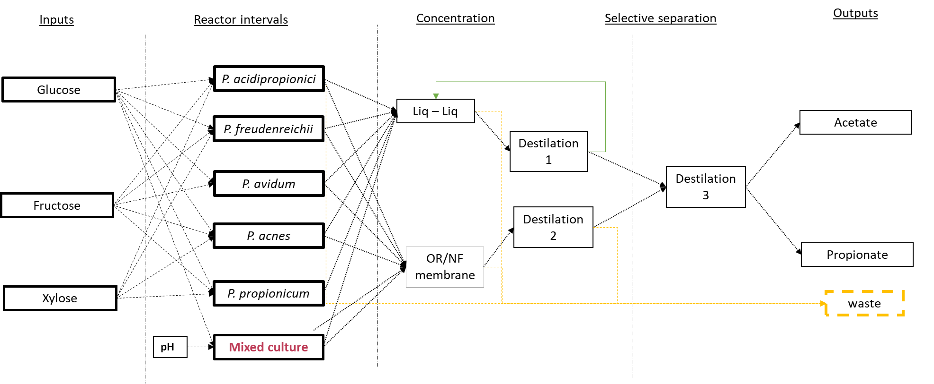
The diagonal of the matrix indicates whether a particular interval is affected by a boolean variable, with the exception of the input matrix where boolean variables are activated differently (as indicated in another box).
If a string element (e.g., 'y_interval') appears in the diagonal slot of a column, the reaction equations or separation equations will always be accompanied by a boolean variable.
To determine which boolean variables belong together, find the longest sequence of consecutively connected intervals on each row. For example, in the "carbon_input1" row, there are six consecutive 1's, indicating that all the interval columns with a boolean label are connected, as follows:
"1 == y_acidi + y_avi + .... + y_open_fermentation".
process_intervals | carbon_input1 | carbon_input2 | carbon_input3 | P_acidi | P_freu | P_avi | P_acn | P_pro | open_fermentation | liq_liq_ext | NF | Distilation_1 | Distilation_2 | Distilation_3 | acetate | propionate | waste
carbon_input1 | y_input1 | 0 | 0 | 1 | 1 | 1 | 1 | 1 | 1 | 0 | 0 | 0 | 0 | 0 | 0 | 0 | 0
carbon_input2 | 0 | y_input2 | 0 | 1 | 1 | 1 | 1 | 1 | 0 | 0 | 0 | 0 | 0 | 0 | 0 | 0 | 0
carbon_input3 | 0 | 0 | y_input3 | 1 | 0 | 1 | 1 | 1 | 0 | 0 | 0 | 0 | 0 | 0 | 0 | 0 | 0
P_acidi | 0 | 0 | 0 | y_acidi | 0 | 0 | 0 | 0 | 0 | sep1 | sep1 | 0 | 0 | 0 | 0 | 0 | sep2
P_freu | 0 | 0 | 0 | 0 | y_freu | 0 | 0 | 0 | 0 | sep1 | sep1 | 0 | 0 | 0 | 0 | 0 | sep2
P_avi | 0 | 0 | 0 | 0 | 0 | y_avi | 0 | 0 | 0 | sep1 | sep1 | 0 | 0 | 0 | 0 | 0 | sep2
P_acn | 0 | 0 | 0 | 0 | 0 | 0 | y_acn | 0 | 0 | sep1 | sep1 | 0 | 0 | 0 | 0 | 0 | sep2
P_pro | 0 | 0 | 0 | 0 | 0 | 0 | 0 | y_pro | 0 | sep1 | sep1 | 0 | 0 | 0 | 0 | 0 | sep2
open_fermentation | 0 | 0 | 0 | 0 | 0 | 0 | 0 | 0 | y_open | sep1 | sep1 | 0 | 0 | 0 | 0 | 0 | sep2
liq_liq_ext | 0 | 0 | 0 | 0 | 0 | 0 | 0 | 0 | 0 | y_liq_liq | 0 | sep1 | 0 | 0 | 0 | 0 | sep2
NF | 0 | 0 | 0 | 0 | 0 | 0 | 0 | 0 | 0 | 0 | y_NF | 0 | sep1 | 0 | 0 | 0 | sep2
Distilation_1 | 0 | 0 | 0 | 0 | 0 | 0 | 0 | 0 | 0 | sep2 | 0 | 0 | 0 | sep1 | 0 | 0 | 0
Distilation_2 | 0 | 0 | 0 | 0 | 0 | 0 | 0 | 0 | 0 | 0 | 0 | 0 | 0 | sep1 | 0 | 0 | sep2
Distilation_3 | 0 | 0 | 0 | 0 | 0 | 0 | 0 | 0 | 0 | 0 | 0 | 0 | 0 | 0 | sep1 | sep2 | 0
acetate | 0 | 0 | 0 | 0 | 0 | 0 | 0 | 0 | 0 | 0 | 0 | 0 | 0 | 0 | 0 | 0 | 0
propionate | 0 | 0 | 0 | 0 | 0 | 0 | 0 | 0 | 0 | 0 | 0 | 0 | 0 | 0 | 0 | 0 | 0
waste | 0 | 0 | 0 | 0 | 0 | 0 | 0 | 0 | 0 | 0 | 0 | 0 | 0 | 0 | 0 | 0 | 0
green matrix:
say from the all the posible substrate or from a subset of them, you only want to select one possibilty! you can by definbing the boolean variable in the diagonal of the green matix. in this case only one carbon source can be choosen because the equation y1 + y2 == 1
for a more complicated example see test_area
connect by looking at which streams connect to the next intervall (i.e wat are the reactor inputs and how are they connected to their outputs)
0 -> not connencted
1 -> connected
mix in the same colunm indiacte that the outputs of the intervals are mixed
sep_nr = define which seperation stream goes where
split_nr = define which split stream goes where
options :
split, sep 0 or 1
can be a combination

models
model_name | SBML_input_ID | input_name | input_abrr | yield_of | SBML_output_ID | output_name | output_abrr
PAC.json | Ex_S_cpd00027_ext, Ex_S_cpd00082_ext, Ex_S_cpd00100_ext | D-Glucose, D-Fructose, Glycerol | glu,fru,glycerol | glu OR fru OR glycerol | Ex_S_cpd00141_ext, Ex_S_cpd00029_ext, Ex_S_biomass_ext | Propionate, Acetate, Biomass, water | prop, ace, bm, water
sherm.json | Ex_S_cpd00027_ext, Ex_S_cpd00082_ext | D-Glucose, D-Fructose | glu,fru | glu OR fru | Ex_S_cpd00141_ext, Ex_S_cpd00029_ext, Ex_S_biomass_ext | Propionate, Acetate, Biomass, water | prop, ace, bm, water
avidum.json | Ex_S_cpd00027_ext, Ex_S_cpd00082_ext, Ex_S_cpd00100_ext | D-Glucose, D-Fructose, Glycerol | glu,fru,glycerol | glu OR fru OR glycerol | Ex_S_cpd00141_ext, Ex_S_cpd00029_ext, Ex_S_biomass_ext | Propionate, Acetate, Biomass, water | prop, ace, bm, water
acnes.json | Ex_S_cpd00027_ext, Ex_S_cpd00082_ext, Ex_S_cpd00100_ext | D-Glucose, D-Fructose, Glycerol | glu,fru,glycerol | glu OR fru OR glycerol | Ex_S_cpd00141_ext, Ex_S_cpd00029_ext, Ex_S_biomass_ext | Propionate, Acetate, Biomass, water | prop, ace, bm, water
propionicum.json | Ex_S_cpd00027_ext, Ex_S_cpd00082_ext, Ex_S_cpd00100_ext | D-Glucose, D-Fructose, Glycerol | glu,fru,glycerol | glu OR fru OR glycerol | Ex_S_cpd00141_ext, Ex_S_cpd00029_ext, Ex_S_biomass_ext | Propionate, Acetate, Biomass, water | prop, ace, bm, water
open_fermentation_polynomial_case_study.json | 0 | Glucose, pH | glu,pH | glu | 0 | CV_Acetate, CV_Propionate, CV_Biomass, water | ace, prop, bm, water
Dist1.json
HOW MODELS WORKS
based on how the models are named (.xml or .json) the equations are made
for sbml the exchqnge reations of a component are needed to run the FBA
for other models a json object can be made saved and read in to make a equation
to get the right names in the equations the original names (input/output_name) used in the models and their abbreviation (input/output_abbr). that are used iin the new equations needs to be given
eg for the json model the following dictionary is made to be able top replace the original variable with the new abbreviation:
abbrDict = { glucose: glu
Propionate:prop
pH : pH}

YIELD OF
the sum of what the conversion factor or yield needs to be multiplied by
one component: glu
multiple components: (glu + prot)
CAREFULL don't forget brackets whith multiple components

IDEA for yield_of
point of yield_of is to know what to multiply the yield of.
e.g. in the case of the bio-energetic model of Alberte
propionate = cv * (glucose + protein)
but for SBML models we want to still be able to seperate the substrates so we can add boolean variables if necesary e.g.,
propionate = cv1 * glucose *y1(bool) + cv2 * fructose* y2(bool)
so to distinguish between these cases in the colums in the column yield_of wrtite:
glucose AND Protein : propionate = cv * (glucose + protein)
glucose OR frucose : propionate = cv1 * glucose + cv2 * fructose

references
REFERENCES process parameters |  |  |  |  |  | REFERENCES economic parameters

not sure about this one, I'll put in on the TODO see list: addapt the mu_ut to account for the recyle of Hoc
process_intervals | seperation efficientcy | mu_ut (added chemicals) | mu_ut_energy | reaction_model | cost_waste | ut_chem_price | ut_energy_price | waste_price
P_acidi_batch | TOFIND (see DWA?) | / | DWA | McCubbin et al | TOFIND | TOFIND | TOFIND | TOFIND
P_freu_batch | TOFIND (see DWA?) | / | DWA | McCubbin et al | TOFIND | TOFIND | TOFIND | TOFIND
P_avi_batch | TOFIND (see DWA?) | / | DWA | McCubbin et al | TOFIND | TOFIND | TOFIND | TOFIND
P_acn_batch | TOFIND (see DWA?) | / | DWA | McCubbin et al | TOFIND | TOFIND | TOFIND | TOFIND
P_pro_batch | TOFIND (see DWA?) | / | DWA | McCubbin et al | TOFIND | TOFIND | TOFIND | TOFIND
open_fermentation | TOFIND (see DWA?) | / | DWA | Reguiera et al (2018) | TOFIND | TOFIND | TOFIND | TOFIND
liq_liq_ext | https://doi.org/10.1186/s13068-019-1433-7 | https://doi.org/10.1186/s13068-019-1433-8 | https://doi.org/10.1186/s13068-019-1433-8 | / | TOFIND | TOFIND | TOFIND | TOFIND
NF | TOFIND (see DWA?) | / | Koyuncu et al (2000) | / | TOFIND | TOFIND | TOFIND | TOFIND
Distilation 1 | https://doi.org/10.1186/s13068-019-1433-7 | / | https://doi.org/10.1186/s13068-019-1433-8 | / | TOFIND | TOFIND | TOFIND | TOFIND
Distilation 2 | variable | / | processing principles book (short cut) | / | TOFIND | TOFIND | TOFIND | TOFIND
Distilation 3 | variable | / | processing principles book (short cut) | / | TOFIND | TOFIND | TOFIND | TOFIND

connection_matrix_old
process_intervals | carbon_input1 | carbon_input2 | carbon_input3 | P_acidi | P_freu | P_avi | P_acn | P_pro | open_fermentation | liq_liq_ext | NF | Distilation_1 | Distilation_2 | Distilation_3 | acetate | propionate | waste
carbon_input1 | y1 | 0 | 0 | bool | bool | bool | bool | bool | bool | 0 | 0 | 0 | 0 | 0 | 0 | 0 | 0
carbon_input2 | 0 | y2 | 0 | bool | bool | bool | bool | bool | 0 | 0 | 0 | 0 | 0 | 0 | 0 | 0 | 0
carbon_input3 | 0 | 0 | y3 | bool | 0 | bool | bool | bool | 0 | 0 | 0 | 0 | 0 | 0 | 0 | 0 | 0
P_acidi | 0 | 0 | 0 | 0 | 0 | 0 | 0 | 0 | 0 | bool, sep1 | bool, sep1 | 0 | 0 | 0 | 0 | 0 | sep2
P_freu | 0 | 0 | 0 | 0 | 0 | 0 | 0 | 0 | 0 | bool, sep1 | bool, sep1 | 0 | 0 | 0 | 0 | 0 | sep2
P_avi | 0 | 0 | 0 | 0 | 0 | 0 | 0 | 0 | 0 | bool, sep1 | bool, sep1 | 0 | 0 | 0 | 0 | 0 | sep2
P_acn | 0 | 0 | 0 | 0 | 0 | 0 | 0 | 0 | 0 | bool, sep1 | bool, sep1 | 0 | 0 | 0 | 0 | 0 | sep2
P_pro | 0 | 0 | 0 | 0 | 0 | 0 | 0 | 0 | 0 | bool, sep1 | bool, sep1 | 0 | 0 | 0 | 0 | 0 | sep2
open_fermentation | 0 | 0 | 0 | 0 | 0 | 0 | 0 | 0 | 0 | bool, sep1 | bool, sep1 | 0 | 0 | 0 | 0 | 0 | sep2
liq_liq_ext | 0 | 0 | 0 | 0 | 0 | 0 | 0 | 0 | 0 | 0 | 0 | sep1 | 0 | 0 | 0 | 0 | sep2
NF | 0 | 0 | 0 | 0 | 0 | 0 | 0 | 0 | 0 | 0 | 0 | 0 | sep1 | 0 | 0 | 0 | sep2
Distilation_1 | 0 | 0 | 0 | 0 | 0 | 0 | 0 | 0 | 0 | 0 | 0 | 0 | sep1 | 0 | 0 | 0 | sep2
Distilation_2 | 0 | 0 | 0 | 0 | 0 | 0 | 0 | 0 | 0 | 0 | 0 | 0 | 0 | sep1 | 0 | 0 | sep2
Distilation_3 | 0 | 0 | 0 | 0 | 0 | 0 | 0 | 0 | 0 | 0 | 0 | 0 | 0 | 0 | sep1 | sep2 | 0
acetate | 0 | 0 | 0 | 0 | 0 | 0 | 0 | 0 | 0 | 0 | 0 | 0 | 0 | 0 | 0 | 0 | 0
propionate | 0 | 0 | 0 | 0 | 0 | 0 | 0 | 0 | 0 | 0 | 0 | 0 | 0 | 0 | 0 | 0 | 0
waste | 0 | 0 | 0 | 0 | 0 | 0 | 0 | 0 | 0 | 0 | 0 | 0 | 0 | 0 | 0 | 0 | 0
green matrix:
say from the all the posible substrate or from a subset of them, you only want to select one possibilty! you can by definbing the boolean variable in the diagonal of the green matix. in this case only one carbon source can be choosen because the equation y1 + y2 == 1
for a more complicated example see test_area
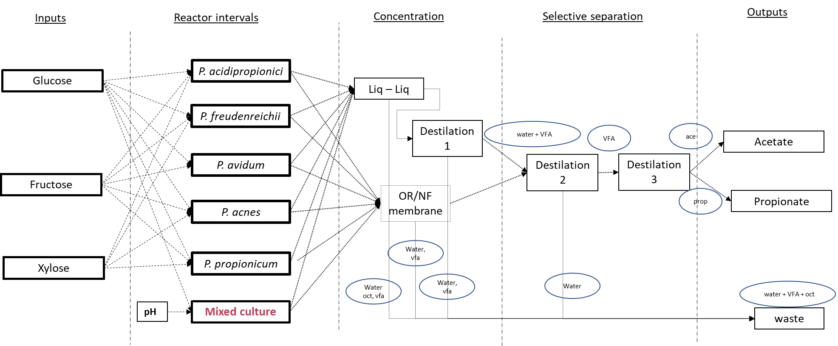
connect by looking at which streams connect to the next intervall (i.e wat are the reactor inputs and how are they connected to their outputs)
0 -> not connencted
1 -> connected
mix in the same colunm indiacte that the outputs of the intervals are mixed
sep_nr = define which seperation stream goes where
split_nr = define which split stream goes where
options :
bool, split, sep 0 or 1
can be a combination

